data to plot
x | next_x | node | next_node | value
0 | 1 | Storage | Stored grains & soybeans | 84920
0 | 1 | Cultivated fields | Other oilseeds | 21290
0 | 1 | Cultivated fields | Vegetables | 37920
0 | 1 | Cultivated fields | Fruits | 64450
0 | 1 | Cultivated fields | Sugarbeets | 130460
0 | 1 | Cultivated fields | Soybeans | 130460
0 | 1 | Cultivated fields | Grains | 611340
1 | 2 | Stored grains & soybeans | Crop production | 84920
1 | 2 | Other oilseeds | Crop production | 21290
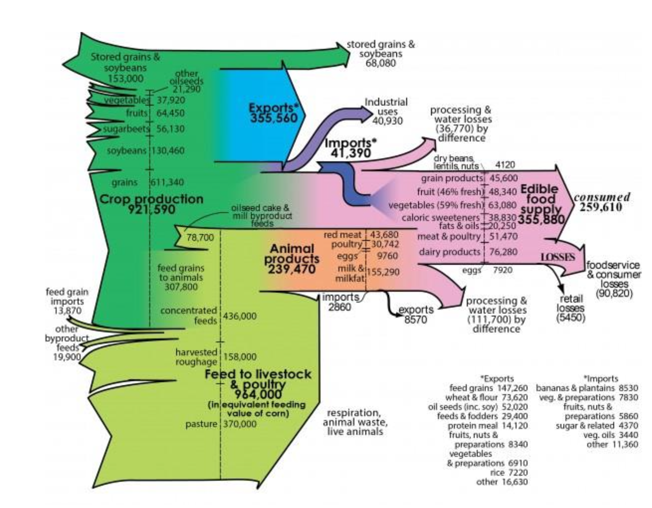
1 | 2 | Vegetables | Crop production | 37920
1 | 2 | Fruits | Crop production | 64450
1 | 2 | Sugarbeets | Crop production | 130460
1 | 2 | Soybeans | Crop production | 130460
1 | 2 | Grains | Crop production | 611340
2 | 3 | Crop production | Exports | 355560
2 | 3 | Crop production | Industrial uses | 40930
3 | 4 | Exports | Feed grains | 147260
3 | 4 | Exports | Wheat & flour | 73620
3 | 4 | Exports | Oil seeds | 52020
3 | 4 | Exports | Feeds & fodders | 29400
3 | 4 | Exports | Protein meal | 14120
3 | 4 | Exports | Fruits, nuts & preparations | 8340
3 | 4 | Exports | Rice | 7220
3 | 4 | Exports | Other | 16630
3 | 5 | Industrial uses | NA | 40930
4 | 5 | Feed grains | NA | 147260
4 | 5 | Wheat & flour | NA | 73620
4 | 5 | Oil seeds | NA | 52020
4 | 5 | Feeds & fodders | NA | 29400
4 | 5 | Protein meal | NA | 14120
4 | 5 | Fruits, nuts & preparations | NA | 8340
4 | 5 | Rice | NA | 7220
4 | 5 | Other | NA | 16630
2 | 3 | Crop production | Feed grains to animals | 307800
3 | 4 | Feed grains to animals | Concentrated feeds | 307800
0 | 4 | Feed grain imports | Concentrated feeds | 13870
0 | 4 | Other byproduct feeds | Concentrated feeds | 19900
0 | 5 | Harvested roughage | Feed to livestock & poultry | 158000
0 | 5 | Pasture | Feed to livestock & poultry
4 | 5 | Concentrated feeds | Feed to livestock & poultry | 43600
5 | 6 | Feed to livestock & poultry | NA | 43600

